Sheet1
COB STRIP LIGHT
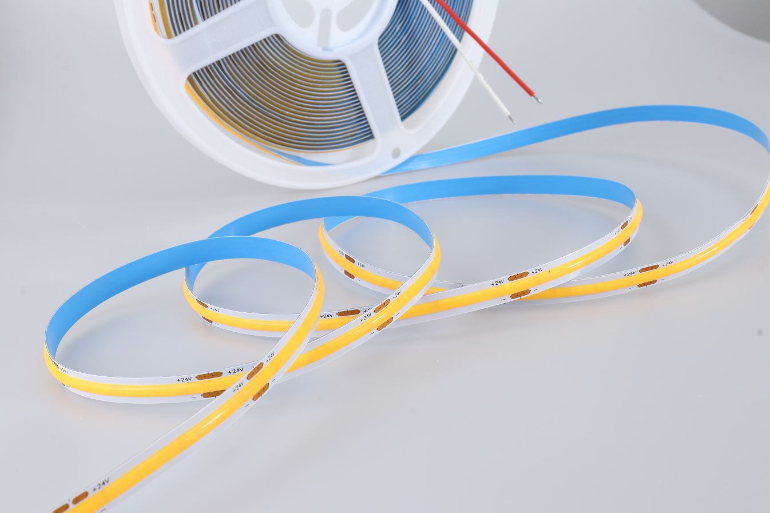
PARAMETERS
Voltage | 24V
Lamp power(per meter) | 10W/M
Chip Qty | 228chips
PCB Size(mm) | 8MM
Meter/Roll | 30m/roll
Lamp materials | Copper, Silicon
Led color | 3000K/4000K/6500K
Lamp angle | 180
IP grade | IP20
Cut distance | 5CM
Working modem | When light on 100% brightness, when off 0 brightness

